1. Title Page
[Project Name]

Project Name: Instacart Grocery Basket Analysis
Date: 28/04/2024
Analyst Name: Frederick Staelens

Contents:
Population Flow
Consistency checks
Wrangling steps
Column derivations
Visualizations
Recommendations

Data Citation
“The Instacart Online Grocery Shopping Dataset 2017”, Accessed from www.instacart.com/datasets/grocery-shopping-2017 via Kaggle on [date].
Customer and price data was fabricated for the purposes of this analysis

2. Population Flow
 |  |  | Title page

Population flow

Exclusion flag
Condition: max_order <
Obervations to be removed:
Final total count of order_products_all:

Orders_products_combined
Orders_products_merged
Orders_products_all

Total:
Total:
Total:
32640698 | 32404859 | 32404859

1.) The grey boxes in the first row of the population flow represent the original data sets as they were when you downloaded them. In the Total fields you need to add the count of the rows when you imported the data set into Jupyter.
2.) The second row of boxes (coloured) represents the data sets after you manipulated them, e.g., removed missing values and duplicates. In the Total fields you need to add the count of the rows after conducting these operations. This offers a visual oveview of how the data flows throughout the data consistency checks.
3.) The third row, where also the arrows are coloured, represents the merges you performed between the datasets. In the Total fields you need to add the count of the rows in the merged datasets, so that you end up with the final dataset (in the red box). Keep in mind the final dataset should be without exclusions (based on the exclusion flag).

3. Consistency checks
 |  |  |  | Title page
Consistency checks

Dataset | Missing values | Missing values treatment | Duplicates
orders | 206209 | Creating a flag | 0
products | 16 | Creating a new data frame without NaN | 5
orders_products_prior | N/A | N/A | N/A
customers | 11259 | Dropped first names | 0

4. Wrangling steps
 |  |  |  |  | Title page
Wrangling steps

Data set | Columns dropped | Columns renamed | Columns' type changed | Comment/Reason
orders | eval_set | order_dow --> orders_day_of_week | order_id: int64 --> str user_id: int64 --> str | Drop: Not relevant for analysis Rename: Better understandable by stakeholders Type Change: Both are identifiers, not relevant for numerical analysis
orders_products_prior | prices column was not dropped, but outliers (price>100) were replaced by NaN
customers |  | First Name':'first_name' 'Surnam':'surname' 'Gender':'gender' 'STATE':'state' 'Age':'age' 'n_dependants':'number_dependants' 'fam_status':'family_status' | user_id: int64 --> str
Orders_products_all | Records dropped, as they did not meet the exclusion flag, max_order > 5

5. Column derivations
 |  |  |  | Title page

Column derivations and aggregations

Dataset | New column | Column/s it was derived from | Conditions
orders_products_merged | busiest_day | orders_day_of_week | Busiest day: 0 Least busy: 4 Regularly busy: All other values
 | busiest_days | orders_day_of_week | Busiest day: Highest level (value 0) or just one level below the highest (value 1) Least busy: Days with the least activity, corresponding to values 3 and 4 Regularly busy: All other values
 | busiest_period_of_day | orders_hour_of_day | Most orders: High number of orders (values 9, 10, 11, 12, 13, 14, 15, 16) Fewest orders: (0, 1, 2, 3, 4, 5, 6, 23) Average orders: Any value that doesn't fall under 'most' or 'fewest' orders
 | max_order | order_number
 | loyalty_flag | max_order | Loyal customer: Customers with more than 40 orders Regular customer: Customers with orders between 10 and 40 New customer: Customers with 10 or fewer orders
 | spending_flag | prices
 | type_of_spender | spending_flag | Low spender: Average price paid by the customeris less than 10 High spender: The average price is 10 or higher
 | med_days_since_order | days_since_prior_order
 | freq_of_customer | med_days_since_prior_order | Frequent customer: Median number of days since last order is 10 or less Regular customer: Median days since last order is between 10 and 20 Non-frequent customer: Median days since last order is more than 20
orders_products_all | region | state
 | income_type | income | Low: Income is below 50,000 Middle: Income is between 50,000 and 100,000 High: Income is 100,000 or more
 | age_type | age | Young Adult: Customer is younger than 40 years Middle Aged: Customer is aged between 40 and 65 Senior: Customer is aged 65 and above
 | dependant_type | number_dependants
 | exclusion_flag | max_order | Not Excluded: Customers with five or more orders Excluded: Customers with fewer than five orders

6. Visualizations
 |  |  |  | Title page

Visualisations

In this tab you should include all the visualtions from Exercises 4.9 and 4.10, alongside the questions from the project brief that they answer. Include any commentary on the relationship between different variables.

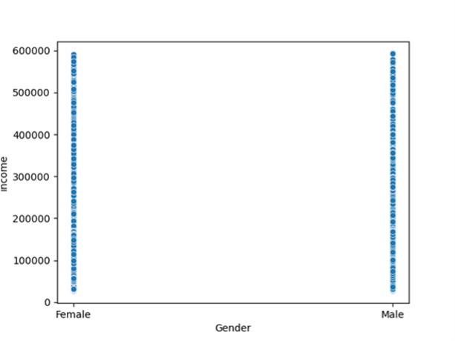
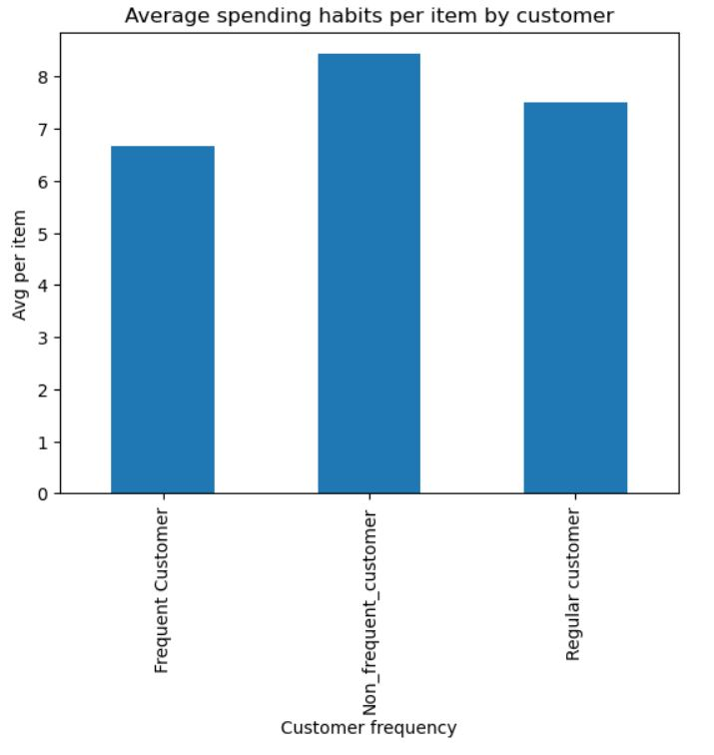

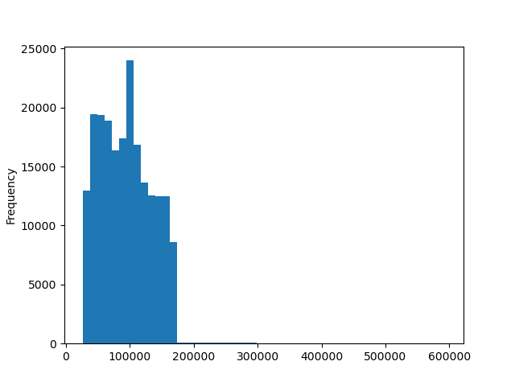

The distribution of income male/ female in comparison |  |  | The distribution of the family status of customers | The average spending habits per item by customer

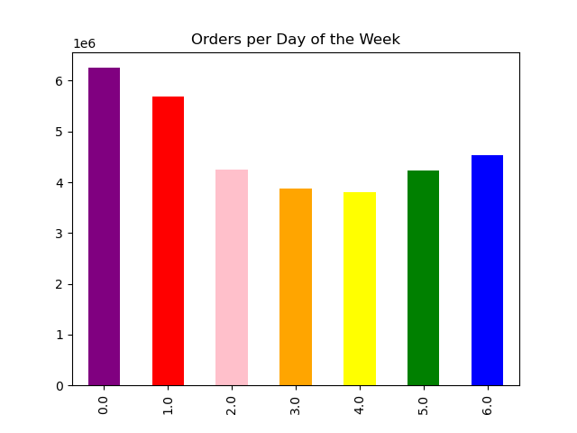
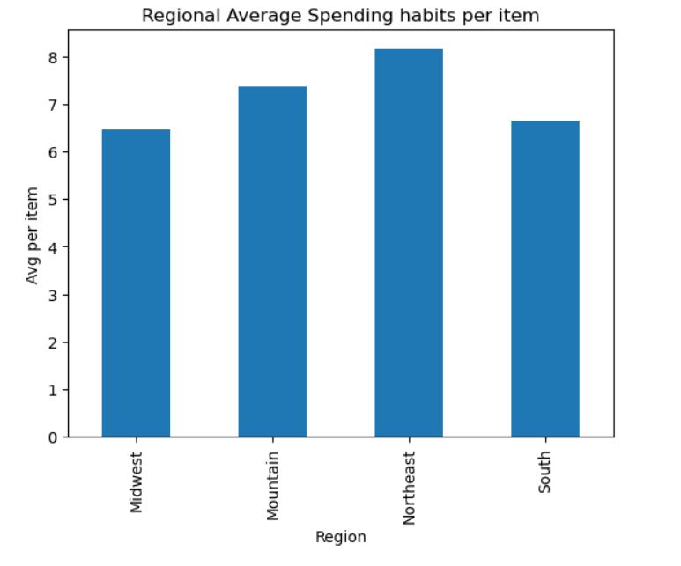
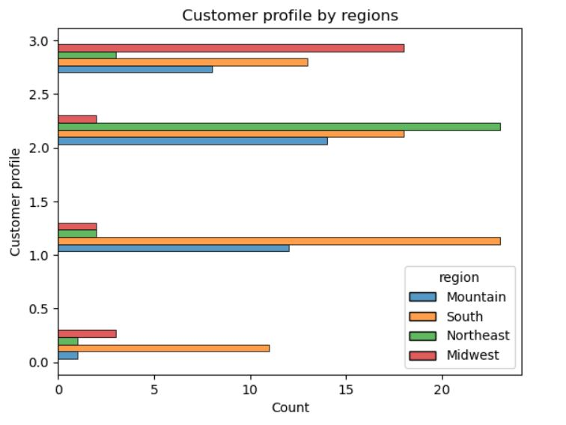

 | Legend
 | 0 = Saturday
 | 1 = Sunday
 | 2 = Monday
 | 3 = Tuesday
 | 4 = Wednesday
 | 5 = Thursday
 | 6 = Friday

The distribution of orders on the days of the week |  | The regional average spending habits per item by customer |  | The customer profiles by region and count

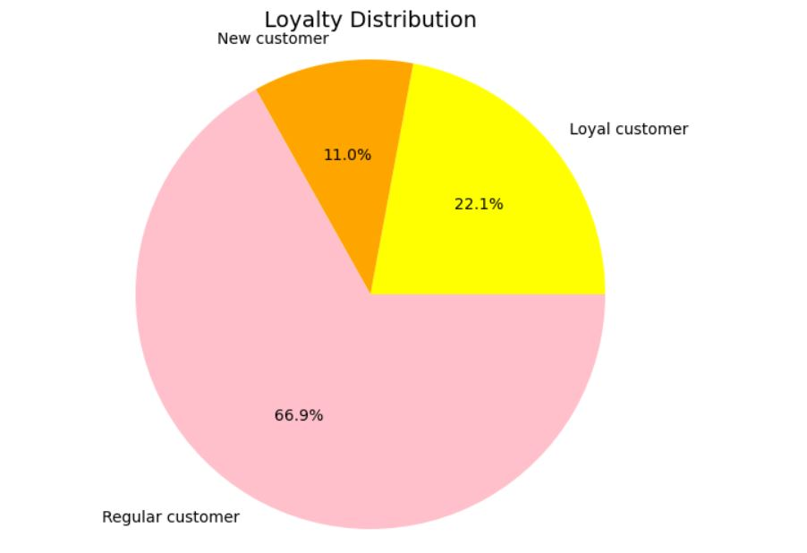
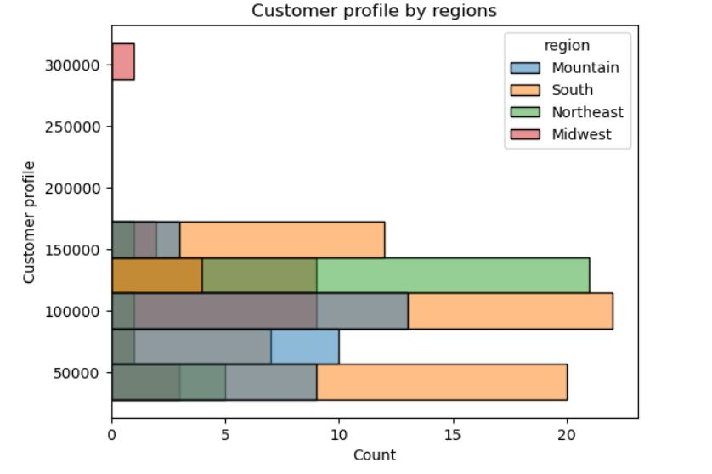

The customer profiles by count and by region |  | The loyalty distribution as a pie chart

7. Recommendations
 |  |  |  | Title page

Recommendations

Question | Answer
Key Question 1 | What are the busiest days of the week and hours of the day?

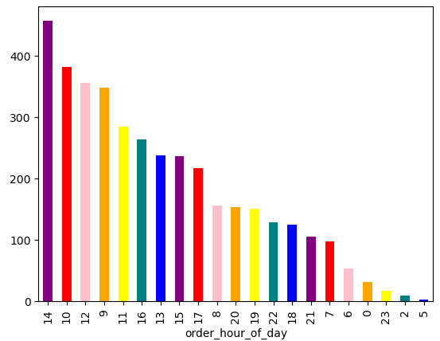
 |  | Legend
 |  | 0 = Saturday
 |  | 1 = Sunday
 |  | 2 = Monday
 |  | 3 = Tuesday
 |  | 4 = Wednesday
 |  | 5 = Thursday
 |  | 6 = Friday

The busiest day of the week are Saturday (0) and Sunday (1), followed by Friday (6) |  |  | The busiest hours are between 10:00 and 14:00 as well as between 09:00 and 12:00
Recommendation: Run the ads from Mondy to Thursday, when there are fewer sales to try and boost the sales on these days as well

Key Question 2 | Are there particular times of the day when people spend most money?

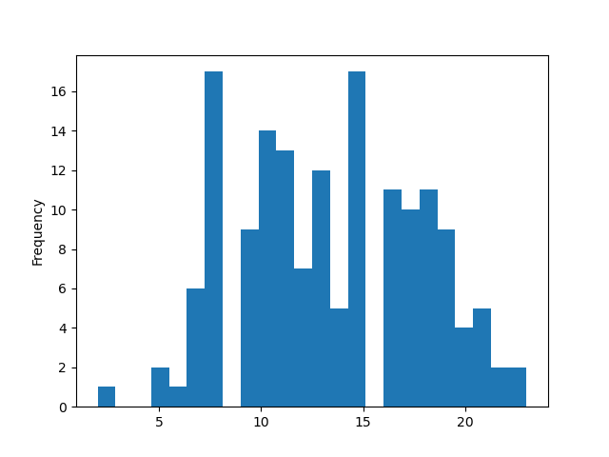

People spend most money between 08:00 and 15:00
Recommendation: Run the ads for more expensive products in the mornings

Key Question 3 | Are there certain types of products that are more popular than others?
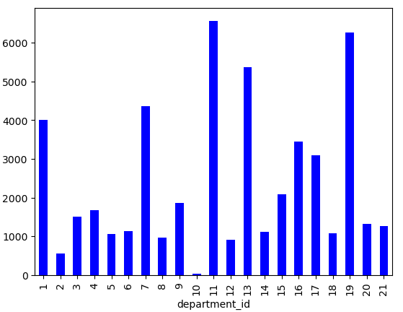

Personal care, pantry and snacks are the Top 3 popular product types
Recommendation: Give more discounts on these product types or include more expensive ones

Key Question 4 | Are there differences in ordering habits based on a customer’s loyalty status?

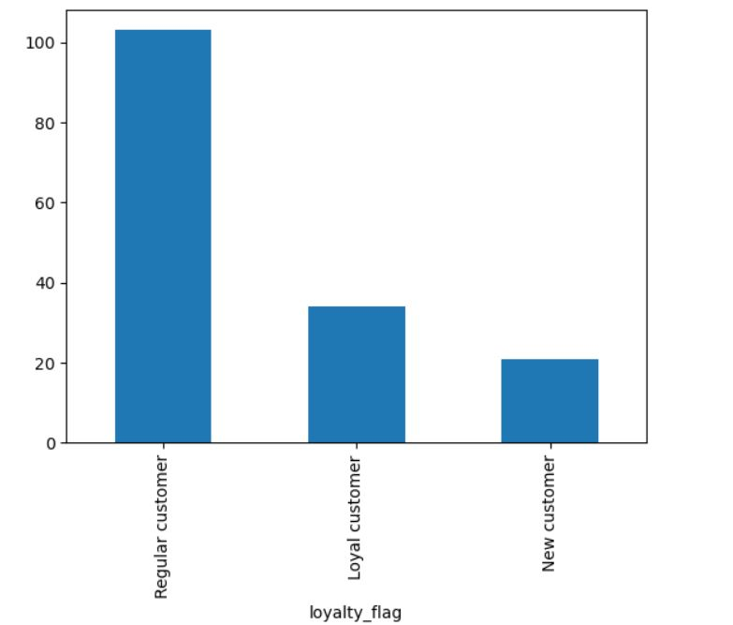

Loyal and regular customers spend the most, while new customers spend the least amount of money.
Recommendation: Give more discounts to loyal customers, so they buy more or more often

Key Question 5 | Are there differences in ordering habits based on a customer’s region?

Customers from the Northeast spend the most, while all other regions spend around the same.
Recommendation: Focus more on the three other regions and research marketing strategies to make the offer more appealing to them (i. e. different temperatures - different interests like ice cream etc.)

Key Question 6 | What different classifications does the demographic information suggest? Age? Income? Certain types of goods? Family status?

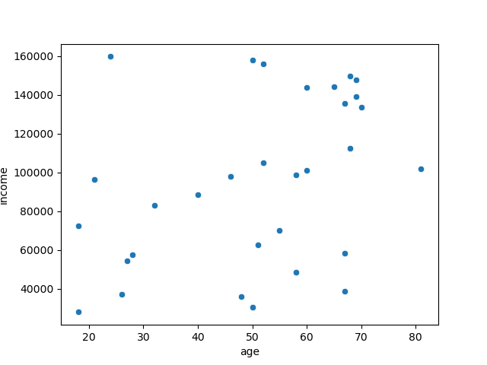

Considering income, there is a baseline at 80,000 where all age groups earn the same, while the older they get, the more they earn.

